moving average
Data
32
59 | Moving Average
Moving Average
40 | #N/A
36 | 45.5
48 | 49.5
56 | 38
34 | 42
29 | 52
27 | 45
21 | 31.5
48 | 28
49 | 24
50 | 34.5
42 | 48.5
35 | 49.5
25 | 46
58 | 38.5
36 | 30
57 | 41.5
29 | 47
49 | 46.5
20 | 43
 | 39
 | 34.5

solver as min
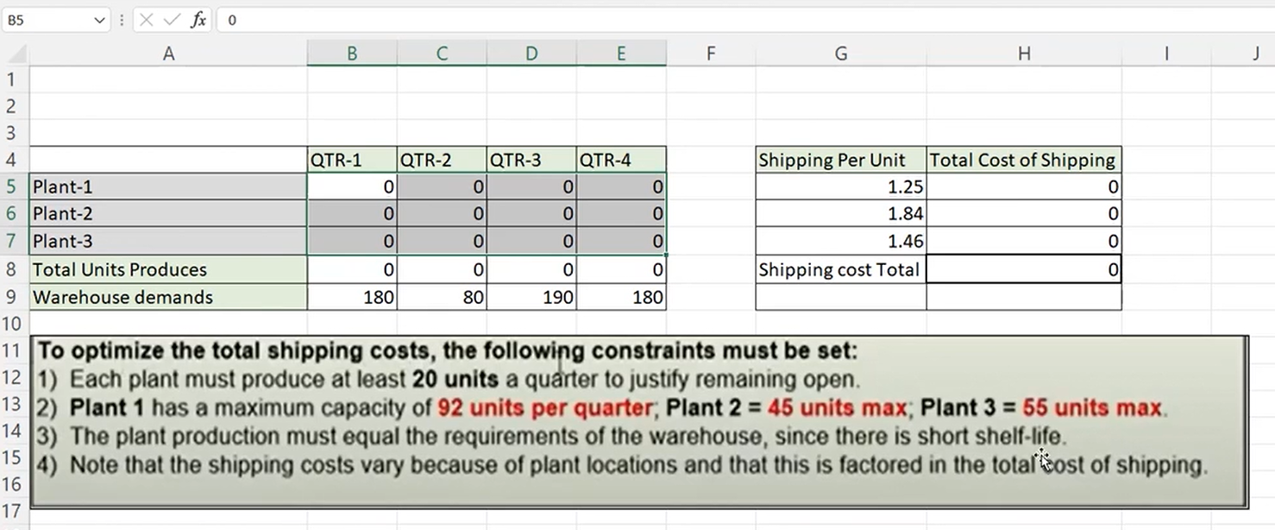
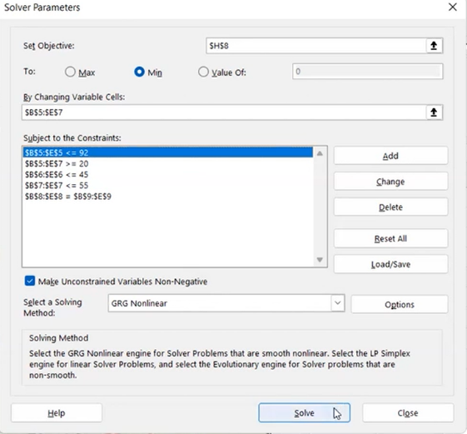
 | QTR1 | QTR2 | QTR3 | QTR4 | shippig per unit cost | total cost of shipping
p1 | 92 | 40 | 92 | 92 | 1.25 | 395
p2 | 33 | 20 | 43 | 33 | 1.84 | 237.36
p3 | 55 | 20 | 55 | 55 | 1.46 | 270.1
total unit pro | 180 | 80 | 190 | 180 | total | 902.46
warehouse demand | 180 | 80 | 190 | 180

